Motorcycles - (ICE & Electrics)
MONTHLY NEW REGISTRATIONS OF L-CATEGORY VEHICLES |  |  |  |  |  | - | Data not available
INTERNAL COMBUSTION ENGINE + ELECTRIC VEHICLES
Motorcycles - 2020/2023

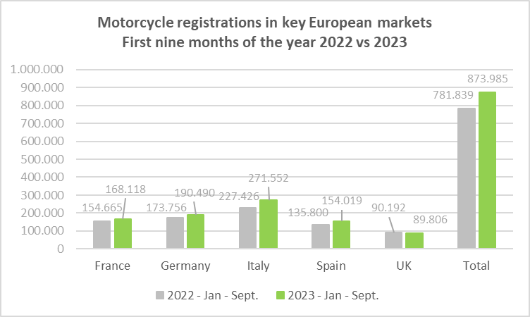
Period | France | %* | Germany | %* | Italy | %* | Spain | %* | UK | %* | Total | %*
2022 - January | 11,245 | 10.4% | 5,563 | 86.7% | 13,825 | 12.5% | 11,699 | 50.0% | 5,812 | 67.1% | 48,144 | 31.1%
2022 - February | 12,783 | -5.1% | 13,034 | 23.6% | 18,365 | -4.6% | 12,597 | 22.5% | 4,745 | 83.5% | 61,524 | 9.6%
2022 - March | 21,674 | 3.1% | 29,946 | 7.0% | 28,088 | -3.0% | 14,626 | -4.8% | 15,824 | 35.1% | 110,158 | 4.9%
2022 - April | 19,554 | -13.2% | 23,126 | -1.9% | 27,464 | -8.6% | 13,652 | -7.3% | 10,709 | 3.8% | 94,505 | -6.6%
2022 - May | 21,168 | 1.9% | 24,340 | 5.1% | 36,370 | -0.6% | 19,485 | 22.3% | 11,321 | -11.0% | 112,684 | 3.2%
2022 - June | 21,645 | -21.2% | 21,829 | -21.0% | 37,451 | -4.3% | 19,818 | 4.9% | 11,886 | -15.6% | 112,629 | -11.4%
2022 - July | 17,861 | -17.3% | 21,386 | -10.3% | 30,316 | -8.0% | 16,438 | -8.3% | 10,253 | -12.0% | 96,254 | -10.9%
2022 - August | 12,403 | -6.7% | 19,771 | 2.8% | 14,862 | 3.2% | 11,634 | 1.7% | 8,227 | 2.2% | 66,897 | 0.7%
2022 - September | 16,332 | -7.5% | 14,761 | -5.7% | 20,685 | -4.1% | 15,851 | 2.2% | 11,415 | -9.3% | 79,044 | -4.7%
2022 - October | 14,935 | -2.9% | 10,570 | 0.3% | 20,368 | 28.9% | 14,426 | 4.9% | 7,396 | -5.8% | 67,695 | 6.9%
2022 - November | 12,597 | 15.0% | 8,399 | 26.5% | 15,256 | 38.7% | 14,914 | 18.1% | 6,229 | -7.7% | 57,395 | 19.7%
2022 - December | 11,159 | -11.6% | 6,685 | -8.8% | 8,333 | 8.8% | 11,821 | -3.6% | 5,510 | 0.3% | 43,508 | -4.1%
2022 - Jan - March | 45,702 | 2.3% | 48,543 | 17.0% | 60,278 | -0.4% | 38,922 | 16.3% | 26,381 | 48.4% | 219,826 | 11.1%
2022 - Jan - June | 108,069 | -6.4% | 117,838 | 1.7% | 161,563 | -2.8% | 91,877 | 10.7% | 60,297 | 9.8% | 539,644 | 0.8%
2022 - Jan - Sept. | 154,665 | -7.9% | 173,756 | -0.5% | 227,426 | -3.3% | 135,800 | 6.2% | 90,192 | 3.5% | 781,839 | -1.4%
2022 - All year | 193,356 | -6.6% | 199,410 | 0.1% | 271,383 | 0.7% | 176,961 | 6.3% | 109,327 | 1.9% | 950,437 | 0.1%
2023 - January | 11,914 | 5.9% | 7,519 | 35.2% | 20,266 | 46.6% | 13,291 | 13.6% | 5,418 | -6.8% | 58,408 | 21.3%
2023 - February | 14,947 | 16.9% | 15,894 | 21.9% | 22,660 | 23.4% | 12,505 | -0.7% | 4,506 | -5.0% | 70,512 | 14.6%
2023 - March | 22,084 | 1.9% | 31,551 | 5.4% | 36,083 | 28.5% | 18,331 | 25.3% | 16,896 | 6.8% | 124,945 | 13.4%
2023 - April | 19,764 | 1.1% | 23,418 | 1.3% | 32,070 | 16.8% | 15,527 | 13.7% | 9,438 | -11.9% | 100,217 | 6.0%
2023 - May | 22,051 | 4.2% | 24,263 | -0.3% | 40,751 | 12.0% | 21,518 | 10.4% | 10,445 | -7.7% | 119,028 | 5.6%
2023 - June | 25,464 | 17.6% | 27,051 | 23.9% | 40,691 | 8.7% | 21,454 | 8.3% | 13,040 | 9.7% | 127,700 | 13.4%
2023 - July | 19,322 | 8.2% | 23,379 | 9.3% | 36,280 | 19.7% | 19,683 | 19.7% | 9,516 | -7.2% | 108,180 | 12.4%
2023 - August | 14,170 | 14.2% | 20,698 | 4.7% | 17,221 | 15.9% | 14,717 | 26.5% | 7,727 | -6.1% | 74,533 | 11.4%
2023 - September | 18,402 | 12.7% | 16,717 | 13.3% | 25,542 | 23.5% | 16,993 | 7.2% | 12,827 | 12.4% | 90,481 | 14.5%
2023 - October | 15,320 | 2.6% | 12,625 | 19.4% | 23,817 | 16.9% | 18,771 | 30.1% | 7,446 | 0.7% | 77,979 | 15.2%
2023 - November | 12,408 | -1.5% | 6,683 | -20.4% | 15,828 | 3.7% | 15,908 | 6.7% | 5,911 | -5.1% | 56,738 | -1.1%
2023 - December | 10,885 | -2.5% | 4,003 | -40.1% | 8,977 | 7.7% | 12,417 | 5.0% | 4,895 | -11.2% | 41,177 | -5.4%
2023 - Jan - March | 48,945 | 7.1% | 54,964 | 13.2% | 79,009 | 31.1% | 44,127 | 13.4% | 26,820 | 1.7% | 253,865 | 15.5%
2023 - Jan - June | 116,224 | 7.5% | 129,696 | 10.1% | 192,521 | 19.2% | 102,626 | 11.7% | 59,743 | -0.9% | 600,810 | 11.3%
2023 - Jan - Sept. | 168,118 | 8.7% | 190,490 | 9.6% | 271,564 | 19.4% | 154,019 | 13.4% | 89,813 | -0.4% | 874,004 | 11.8%
2023 - All year | 206,731 | 6.9% | 213,801 | 7.2% | 320,186 | 18.0% | 201,115 | 13.6% | 108,065 | -1.2% | 1,049,898 | 10.5%
* % change is related to the same period of the previous year
Note 1 - Motorcycle figures include Two-wheel motorcycles (L3e category) as well as two-wheel motorcycles with sidecar (L4e category) and tricycles (L5e category)
Note 2 - The markets for motorcycles of Italy, France, Germany, Spain and UK account for about 80% of motorcycle new registrations in the EU + UK block.

Mopeds - (ICE & Electrics)
MONTHLY NEW REGISTRATIONS OF L-CATEGORY VEHICLES |  |  |  |  |  | - | Data not available
INTERNAL COMBUSTION ENGINE + ELECTRIC VEHICLES
Mopeds - 2020/2023

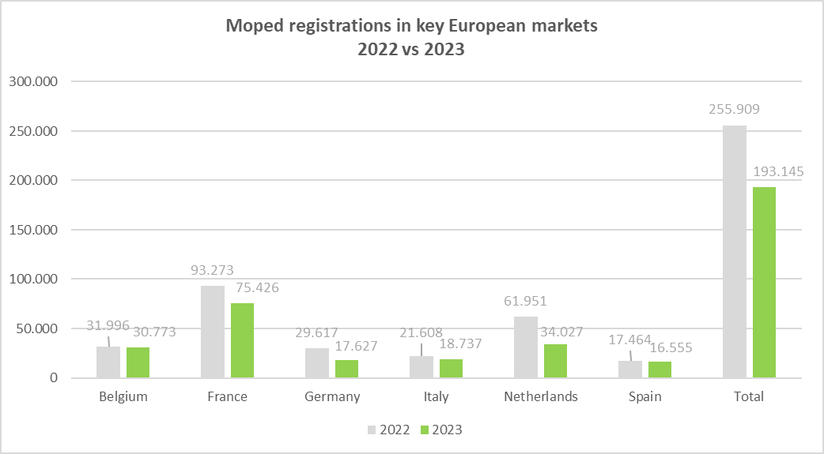
Period | Belgium | %* | France | %* | Germany | %* | Italy | %* | Netherlands | %* | Spain | %* | Total | %*
2022 - January | 1,783 | 20.3% | 5,759 | 3.7% | 1,023 | -4.9% | 1,702 | 41.2% | 4,363 | -0.2% | 1,200 | 40.5% | 15,830 | 8.9%
2022 - February | 1,911 | 5.5% | 6,162 | -4.6% | 2,716 | 78.0% | 1,269 | -7.2% | 3,879 | -7.9% | 1,472 | 33.3% | 17,409 | 5.6%
2022 - March | 2,726 | 12.1% | 7,626 | -17.0% | 4,772 | 99.4% | 1,603 | -4.2% | 6,156 | -17.7% | 1,615 | 1.0% | 24,498 | -1.1%
2022 - April | 2,657 | -5.2% | 7,994 | 9.5% | 4,032 | 52.7% | 1,496 | -12.0% | 6,444 | -7.0% | 1,493 | -14.8% | 24,116 | 4.3%
2022 - May | 2,984 | 29.2% | 7,662 | 0.1% | 3,627 | 21.8% | 2,178 | 4.6% | 6,393 | -17.1% | 1,444 | -4.1% | 24,288 | 0.2%
2022 - June | 3,364 | 29.0% | 9,621 | -6.7% | 3,505 | 1.6% | 3,557 | 35.4% | 6,472 | -26.0% | 1,843 | -17.6% | 28,362 | -5.4%
2022 - July | 2,966 | 28.2% | 10,170 | -11.6% | 3,504 | 104.8% | 2,698 | 7.5% | 6,763 | -12.6% | 1,669 | -8.4% | 27,770 | 0.6%
2022 - August | 3,383 | 42.9% | 8,242 | -0.4% | 1,726 | -17.3% | 1,360 | 6.8% | 5,522 | -20.8% | 1,213 | -7.5% | 21,446 | -3.7%
2022 - September | 3,206 | 25.0% | 10,042 | -0.2% | 1,825 | -18.5% | 1,848 | 6.2% | 4,894 | -11.5% | 1,393 | -20.3% | 23,208 | -2.8%
2022 - October | 2,712 | 3.4% | 7,647 | -15.5% | 1,180 | -23.8% | 1,515 | -1.4% | 4,067 | -11.6% | 1,432 | -5.5% | 18,553 | -11.1%
2022 - November | 2,305 | 22.0% | 6,096 | -17.4% | 1,216 | -1.3% | 1,358 | 8.4% | 3,606 | -13.8% | 1,315 | -15.9% | 15,896 | -9.1%
2022 - December | 1,999 | 22.6% | 6,252 | -23.6% | 491 | -57.2% | 1,024 | -14.1% | 3,392 | -38.3% | 1,375 | -26.6% | 14,533 | -25.6%
2022 - Jan - March | 6,420 | 12.1% | 19,547 | -7.8% | 8,511 | 70.4% | 4,574 | 7.7% | 14,398 | -10.4% | 4,287 | 20.5% | 57,737 | 3.5%
2022 - Jan -June | 15,425 | 14.7% | 44,824 | -3.5% | 19,675 | 39.9% | 11,805 | 10.8% | 33,707 | -14.6% | 9,067 | 0.2% | 134,503 | 1.0%
2022 - Jan - Sept. | 24,980 | 20.7% | 73,278 | -4.0% | 26,730 | 33.0% | 17,711 | 9.5% | 50,886 | -14.8% | 13,342 | -4.2% | 206,927 | 0.0%
2022 - All year | 31,996 | 19.2% | 93,273 | -7.6% | 29,617 | 23.3% | 21,608 | 7.2% | 61,951 | -16.3% | 17,464 | -7.5% | 255,909 | -3.4%
2023 - January | 2,279 | 27.8% | 4,892 | -15.1% | 892 | -12.8% | 1,358 | -20.2% | 2,729 | -37.5% | 991 | -17.4% | 13,141 | -17.0%
2023 - February | 2,250 | 17.7% | 5,240 | -15.0% | 1,507 | -44.5% | 1,179 | -7.1% | 2,607 | -32.8% | 1,005 | -31.7% | 13,788 | -20.8%
2023 - March | 2,900 | 6.4% | 5,885 | -22.8% | 2,550 | -46.6% | 1,557 | -2.9% | 2,863 | -53.5% | 973 | -39.8% | 16,728 | -31.7%
2023 - April | 2,458 | -7.5% | 5,894 | -26.3% | 2,013 | -50.1% | 1,657 | 10.8% | 2,807 | -56.4% | 1,385 | -7.2% | 16,214 | -32.8%
2023 - May | 2,680 | -10.2% | 6,225 | -18.8% | 1,851 | -49.0% | 2,263 | 3.9% | 3,090 | -51.7% | 2,124 | 47.1% | 18,233 | -24.9%
2023 - June | 3,297 | -2.0% | 8,616 | -10.4% | 2,153 | -38.6% | 2,295 | -35.5% | 3,881 | -40.0% | 1,426 | -22.6% | 21,668 | -23.6%
2023 - July | 2,816 | -5.1% | 8,571 | -15.7% | 1,595 | -54.5% | 2,256 | -16.4% | 3,349 | -50.5% | 2,139 | 28.2% | 20,726 | -25.4%
2023 - August | 2,956 | -12.6% | 6,942 | -15.8% | 1,252 | -27.5% | 1,144 | -15.9% | 2,692 | -51.2% | 1,601 | 32.0% | 16,587 | -22.7%
2023 - Sept. | 2,669 | -16.7% | 7,316 | -27.1% | 1,422 | -22.1% | 1,605 | -13.1% | 3,662 | -25.2% | 1,331 | -4.5% | 18,005 | -22.4%
2023 - October | 2,595 | -4.3% | 6,444 | -15.7% | 966 | -18.1% | 1,534 | 1.3% | 2,657 | -34.7% | 1,568 | 9.5% | 15,764 | -15.0%
2023 - November | 2,103 | -8.8% | 4,809 | -21.1% | 856 | -29.6% | 1,006 | -25.9% | 2,072 | -42.5% | 1,039 | -21.0% | 11,885 | -25.2%
2023 - December | 1,770 | -11.5% | 4,592 | -26.6% | 570 | 16.1% | 883 | -13.8% | 1,618 | -52.3% | 973 | -29.2% | 10,406 | -28.4%
2023 - Jan - March | 7,429 | 15.7% | 16,017 | -18.1% | 4,949 | -41.9% | 4,094 | -10.5% | 8,199 | -43.1% | 2,969 | -30.7% | 43,657 | -24.4%
2023 - Jan - June | 15,864 | 2.8% | 36,752 | -18.0% | 10,966 | -44.3% | 10,309 | -12.7% | 17,977 | -46.7% | 7,904 | -12.8% | 99,772 | -25.8%
2023 - Jan - Sept. | 24,305 | -2.7% | 59,581 | -18.7% | 15,235 | -43.0% | 15,314 | -13.5% | 27,680 | -45.6% | 12,975 | -2.8% | 155,090 | -25.1%
2023 - All year | 30,773 | -3.8% | 75,426 | -19.1% | 17,627 | -40.5% | 18,737 | -13.3% | 34,027 | -45.1% | 16,555 | -5.2% | 193,145 | -24.5%
 | * % change is related to the same period of the previous year
Note 1 - | Moped figures include L1eB vehicles (two-wheel mopeds) as well as L2e vehicles (three-wheel mopeds).
 | For some countries, depending on their administrative practices, they may also include L1e-A vehicles (powered-cycles).
Note 2 - | The moped markets of France, The Netherlands, Germany, Italy, Belgium, and Spain account about 80% of moped new registrations in the EU + UK block.

Motorcycles (Electrics)
MONTHLY NEW REGISTRATIONS OF L-CATEGORY VEHICLES |  |  |  |  |  | - | Data not available
ELECTRIC VEHICLES
Electric Motorcycles - 2020/2023

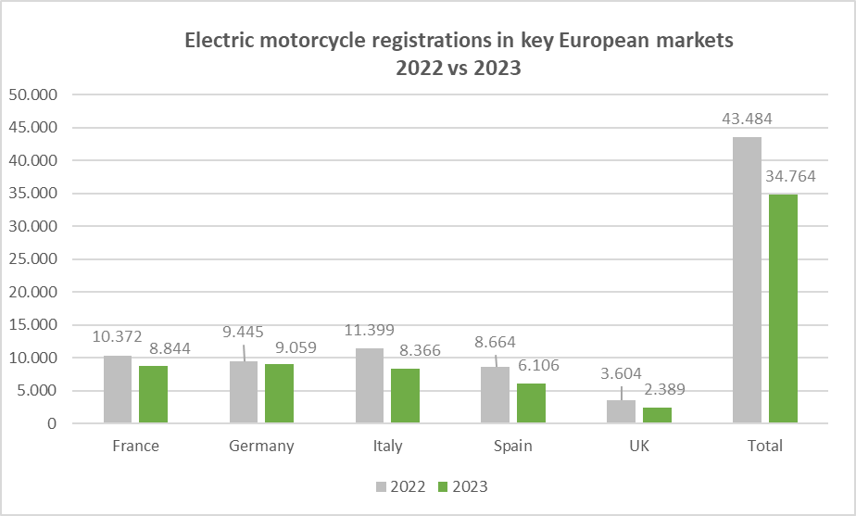
Period | France | %* | Germany | %* | Italy | %* | Spain | %* | UK | %* | Total | %*
2022 - January | 400 | 118.6% | 152 | 83.1% | 403 | 104.6% | 983 | 365.9% | 332 | 107.5% | 2,270 | 172.2%
2022 - February | 440 | 29.0% | 287 | 100.7% | 603 | 85.5% | 429 | 63.7% | 212 | 125.5% | 1,971 | 69.2%
2022 - March | 1,304 | 294.0% | 968 | 149.5% | 1,096 | 125.1% | 685 | -0.3% | 494 | 67.5% | 4,547 | 107.8%
2022 - April | 831 | 176.1% | 1,028 | 194.6% | 705 | 81.2% | 475 | 34.9% | 300 | 6.8% | 3,339 | 99.7%
2022 - May | 867 | 190.0% | 987 | 265.6% | 973 | 110.2% | 685 | 36.5% | 307 | 20.9% | 3,819 | 113.6%
2022 - June | 973 | 121.6% | 720 | 67.8% | 2,298 | 223.2% | 861 | 47.4% | 280 | -7.6% | 5,132 | 108.1%
2022 - July | 947 | 203.5% | 961 | 125.6% | 1,481 | 140.4% | 964 | 76.6% | 318 | -12.9% | 4,671 | 106.2%
2022 - August | 684 | 179.2% | 882 | 125.0% | 461 | -22.7% | 741 | 90.5% | 377 | 37.6% | 3,145 | 65.9%
2022 - September | 1,228 | 146.1% | 983 | 166.4% | 607 | -3.5% | 773 | 84.5% | 305 | -5.9% | 3,896 | 73.9%
2022 - October | 994 | 87.2% | 593 | 132.5% | 1,005 | 53.0% | 691 | 61.8% | 201 | -37.2% | 3,484 | 59.1%
2022 -November | 972 | 63.9% | 748 | 223.8% | 1,181 | 99.5% | 801 | 35.3% | 195 | -39.3% | 3,897 | 67.3%
2022 - December | 732 | 43.2% | 1,136 | 451.5% | 586 | 2.6% | 576 | 10.1% | 283 | 17.9% | 3,313 | 61.5%
2022 - Jan - March | 2,144 | 150.8% | 1,407 | 129.2% | 2,102 | 108.3% | 2,097 | 80.8% | 1,038 | 89.1% | 8,788 | 109.9%
2022 - Jan - June | 4,815 | 154.2% | 4,142 | 149.2% | 6,078 | 136.3% | 4,118 | 58.5% | 1,925 | 38.8% | 21,078 | 108.4%
2022 - Jan - Sept. | 7,674 | 160.1% | 6,968 | 144.6% | 8,627 | 95.5% | 6,596 | 66.9% | 2,925 | 24.5% | 32,790 | 98.6%
2022 - All year | 10,372 | 126.2% | 9,445 | 166.7% | 11,399 | 82.9% | 8,664 | 57.7% | 3,604 | 11.5% | 43,484 | 88.4%
2023 - January | 731 | 82.7% | 498 | 227.6% | 648 | 60.8% | 517 | -47.4% | 117 | -64.8% | 2,511 | 10.6%
2023 - February | 666 | 51.4% | 902 | 214.3% | 617 | 2.3% | 491 | 14.5% | 136 | -35.8% | 2,812 | 42.7%
2023 - March | 771 | -40.9% | 1,272 | 31.4% | 789 | -28.0% | 553 | -19.3% | 180 | -63.6% | 3,565 | -21.6%
2023 - April | 614 | -26.1% | 751 | -26.9% | 631 | -10.5% | 446 | -6.1% | 195 | -35.0% | 2,637 | -21.0%
2023 - May | 804 | -7.3% | 1,020 | 3.3% | 1,097 | 12.7% | 683 | -0.3% | 254 | -17.3% | 3,858 | 1.0%
2023 - June | 883 | -9.2% | 1,084 | 50.6% | 1,103 | -52.0% | 619 | -28.1% | 309 | 10.4% | 3,998 | -22.1%
2023 - July | 735 | -22.4% | 831 | -13.5% | 971 | -34.4% | 416 | -56.8% | 248 | -22.0% | 3,201 | -31.5%
2023 - August | 530 | -22.5% | 1,058 | 20.0% | 519 | 12.6% | 441 | -40.5% | 187 | -50.4% | 2,735 | -13.0%
2023 - September | 886 | -27.9% | 572 | -41.8% | 760 | 25.2% | 439 | -43.2% | 240 | -21.3% | 2,897 | -25.6%
2023 - October | 768 | -22.7% | 637 | 7.4% | 563 | -44.0% | 510 | -26.2% | 221 | 10.0% | 2,699 | -22.5%
2023 - November | 694 | -28.6% | 237 | -68.3% | 388 | -67.1% | 480 | -40.1% | 144 | -26.2% | 1,943 | -50.1%
2023 - December | 762 | 4.1% | 197 | -82.7% | 280 | -52.2% | 511 | -11.3% | 158 | -44.2% | 1,908 | -42.4%
2023 - Jan - March | 2,168 | 1.1% | 2,672 | 89.9% | 2,054 | -2.3% | 1,561 | -25.6% | 433 | -58.3% | 8,888 | 1.1%
2023 - Jan - June | 4,469 | -7.2% | 5,527 | 33.4% | 4,885 | -19.6% | 3,309 | -19.6% | 1,191 | -38.1% | 19,381 | -8.1%
2023 - Jan - Sept. | 6,620 | -13.7% | 7,988 | 14.6% | 7,135 | -17.3% | 4,605 | -30.2% | 1,866 | -36.2% | 28,214 | -14.0%
2023 - All year | 8,844 | -14.7% | 9,059 | -4.1% | 8,366 | -26.6% | 6,106 | -29.5% | 2,389 | -33.7% | 34,764 | -20.1%
* % change is related to the same period of the previous year
Note 1 - Motorcycle figures include Two-wheel motorcycles (L3e category) as well as two-wheel motorcycles with sidecar (L4e category) and tricycles (L5e category)
Note 2 - The markets for motorcycles of Italy, France, Germany, Spain and UK account for about 80% of motorcycle new registrations in the EU + UK block.

Mopeds (Electrics)
MONTHLY NEW REGISTRATIONS OF L-CATEGORY VEHICLES |  |  |  |  |  | - | Data not available
ELECTRIC VEHICLES
Electric Mopeds - 2020/2023

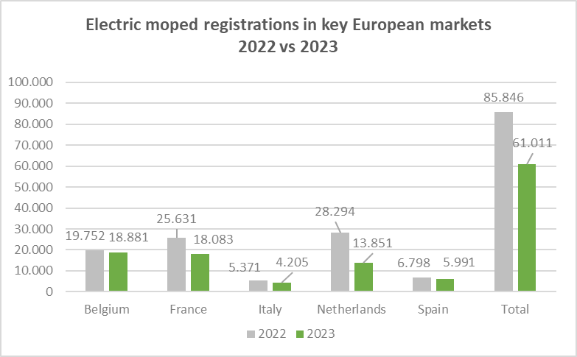
Period | Belgium | %* | France | %* | Germany | %* | Italy | %* | Netherlands | %* | Spain | %* | Total | %*
2022 - January | 911 | 2.1% | 1,685 | 129.3% | - | - | 636 | 133.8% | 2,114 | 34.5% | 397 | 98.5% | 5,743 | 56.4%
2022 - February | 997 | -2.7% | 1,930 | 75.0% | - | - | 256 | -13.2% | 1,597 | -2.7% | 663 | 162.1% | 5,443 | 26.1%
2022 - March | 1,595 | 10.5% | 2,171 | -1.6% | - | - | 351 | -4.9% | 2,888 | 26.6% | 874 | 95.1% | 7,879 | 16.8%
2022 - April | 1,650 | -16.4% | 2,356 | 80.5% | - | - | 263 | -16.8% | 3,069 | 37.9% | 795 | 9.1% | 8,133 | 24.2%
2022 - May | 1,894 | 36.2% | 1,826 | 35.3% | - | - | 370 | -5.4% | 2,987 | 15.0% | 511 | 12.6% | 7,588 | 22.7%
2022 - June | 2,082 | 42.5% | 2,395 | 21.6% | - | - | 1,269 | 99.2% | 2,710 | -5.4% | 785 | -20.9% | 9,241 | 16.6%
2022 - July | 1,915 | 32.2% | 2,219 | 5.3% | - | - | 717 | 34.5% | 3,353 | 10.7% | 489 | 18.1% | 8,693 | 15.4%
2022 - August | 2,092 | 63.6% | 1,783 | 21.3% | - | - | 168 | -2.9% | 2,575 | -21.4% | 312 | -25.0% | 6,930 | 4.8%
2022 - September | 2,001 | 38.6% | 3,120 | 41.7% | - | - | 361 | 8.1% | 2,195 | 16.5% | 314 | -44.8% | 7,991 | 24.2%
2022 - October | 1,744 | 9.8% | 2,529 | 23.2% | - | - | 361 | -0.3% | 1,787 | 27.8% | 522 | -0.4% | 6,943 | 17.2%
2022 - November | 1,484 | 33.1% | 1,794 | -4.3% | - | - | 349 | 69.4% | 1,668 | 7.3% | 480 | -22.7% | 5,775 | 7.5%
2022 - December | 1,387 | 62.0% | 1,823 | -24.3% | - | - | 270 | 8.0% | 1,351 | -19.2% | 656 | -1.6% | 5,487 | -6.3%
2022 - Jan - March | 3,503 | 4.3% | 5,786 | 43.1% | - | - | 1,243 | 32.8% | 6,599 | 20.1% | 1,934 | 114.7% | 19,065 | 29.4%
2022 - Jan - June | 9,129 | 11.5% | 12,363 | 42.6% | - | - | 3,145 | 37.9% | 15,365 | 16.5% | 4,025 | 30.9% | 44,027 | 24.4%
2022 - Jan - Sept. | 15,137 | 22.5% | 19,485 | 34.9% | - | - | 4,391 | 32.3% | 23,488 | 9.9% | 5,140 | 14.9% | 67,641 | 20.8%
2022 - All year | 19,752 | 24.1% | 25,631 | 23.3% | - | - | 5,371 | 29.8% | 28,294 | 8.8% | 6,798 | 8.1% | 85,846 | 17.4%
2023 - January | 1,474 | 61.8% | 1,628 | -3.4% | - | - | 449 | -29.4% | 841 | -60.2% | 252 | -36.5% | 4,644 | -19.1%
2023 - February | 1,410 | 41.4% | 1,821 | -5.6% | - | - | 342 | 33.6% | 1,003 | -37.2% | 346 | -47.8% | 4,922 | -9.6%
2023 - March | 1,868 | 17.1% | 1,677 | -22.8% | - | - | 338 | -3.7% | 1,037 | -64.1% | 225 | -74.3% | 5,145 | -34.7%
2023 - April | 1,600 | -3.0% | 1,408 | -40.2% | - | - | 445 | 69.2% | 1,143 | -62.8% | 683 | -14.1% | 5,279 | -35.1%
2023 - May | 1,614 | -14.8% | 1,381 | -24.4% | - | - | 739 | 99.7% | 1,270 | -57.5% | 1,259 | 146.4% | 6,263 | -17.5%
2023 - June | 1,993 | -4.3% | 2,039 | -14.9% | - | - | 542 | -57.3% | 1,572 | -42.0% | 358 | -54.4% | 6,504 | -29.6%
2023 - July | 1,705 | -11.0% | 1,433 | -35.4% | - | - | 417 | -41.8% | 1,478 | -55.9% | 917 | 87.5% | 5,950 | -31.6%
2023 - August | 1,807 | -13.6% | 1,300 | -27.1% | - | - | 169 | 0.6% | 1,108 | -57.0% | 668 | 114.1% | 5,052 | -27.1%
2023 - September | 1,505 | -24.8% | 1,680 | -46.2% | - | - | 245 | -32.1% | 1,916 | -12.7% | 353 | 12.4% | 5,699 | -28.7%
2023 - October | 1,508 | -13.5% | 1,532 | -39.4% | - | - | 217 | -39.9% | 1,156 | -35.3% | 485 | -7.1% | 4,898 | -29.5%
2023 - November | 1,252 | -15.6% | 1,172 | -34.7% | - | - | 159 | -54.4% | 792 | -52.5% | 201 | -58.1% | 3,576 | -38.1%
2023 - December | 1,145 | -17.4% | 1,012 | -44.5% | - | - | 143 | -47.0% | 535 | -60.4% | 244 | -62.8% | 3,079 | -43.9%
2023 - Jan - March | 4,752 | 35.7% | 5,126 | -11.4% | - | - | 1,129 | -9.2% | 2,881 | -56.3% | 823 | -57.4% | 14,711 | -22.8%
2023 - Jan - June | 9,959 | 9.1% | 9,954 | -19.5% | - | - | 2,855 | -9.2% | 6,866 | -55.3% | 3,123 | -22.4% | 32,757 | -25.6%
2023 - Jan - Sept. | 14,976 | -1.1% | 14,367 | -26.3% | - | - | 3,686 | -16.1% | 11,368 | -51.6% | 5,061 | -1.5% | 49,458 | -26.9%
2023 - All year | 18,881 | -4.4% | 18,083 | -29.4% | - | - | 4,205 | -21.7% | 13,851 | -51.0% | 5,991 | -11.9% | 61,011 | -28.9%
 | * % change is related to the same period of the previous year
Note 1 - | Moped figures include L1eB vehicles (two-wheel mopeds) as well as L2e vehicles (three-wheel mopeds).
 | For some countries, depending on their administrative practices, they may also include L1e-A vehicles (powered-cycles).
Note 2 - | The moped markets of France, The Netherlands, Germany, Italy, Belgium, and Spain account about 80% of moped new registrations in the EU + UK block.

Long terms tends
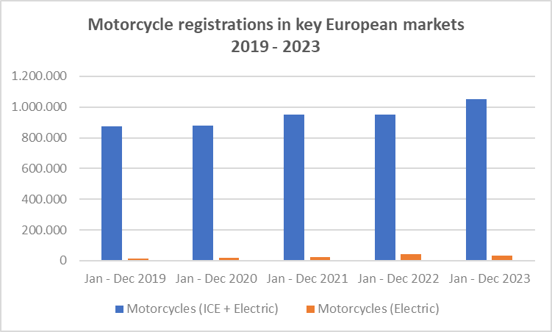
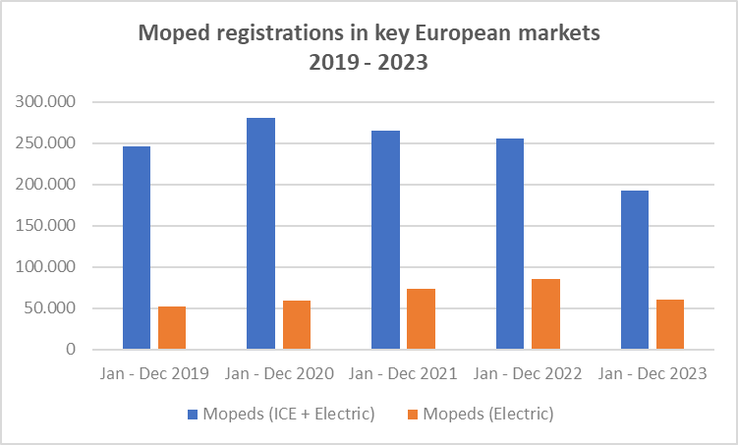
REGISTRATIONS OF MOTORCYCLES AND MOPEDS IN LARGEST EUROPEAN MARKETS
INTERNAL COMBUSTION ENGINE + ELECTRIC MODELS

L-category vehicles | Jan - Dec 2019 | Jan - Dec 2020 | Jan - Dec 2021 | Jan - Dec 2022 | Jan - Dec 2023
Motorcycles (ICE + Electric) | 874,481 | 880,763 | 949,480 | 950,437 | 1,049,898
Motorcycles (Electric) | 11,966 | 18,007 | 23,084 | 43,484 | 34,764
Mopeds (ICE + Electric) | 246,553 | 280,440 | 264,807 | 255,909 | 193,145
Mopeds (Electric) | 52,300 | 59,289 | 73,124 | 85,846 | 61,011

Motorcycle figures include the following markets: France, Germany, Italy, Spain and the UK
Mopeds figures include the following markets: Belgium, France, Germany, Italy, the Netherlands and the UK

