Motorcycles - (ICE & Electrics)
MONTHLY NEW REGISTRATIONS OF L-CATEGORY VEHICLES |  |  |  |  |  | - | Data not available
INTERNAL COMBUSTION ENGINE + ELECTRIC VEHICLES
Motorcycles - 2024/2025
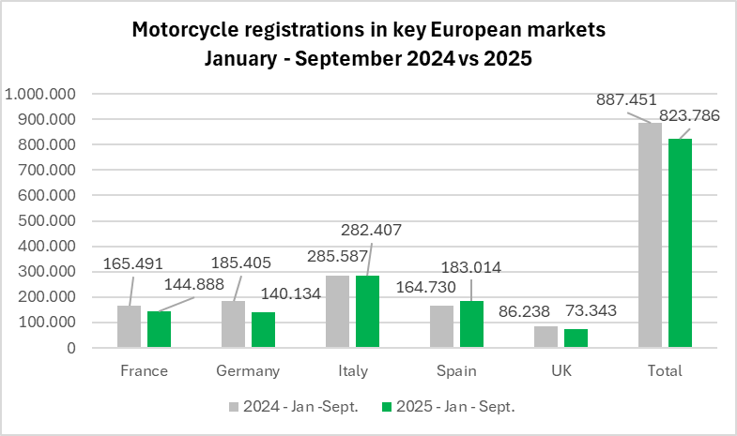
Period | France | %* | Germany | %* | Italy | %* | Spain | %* | UK | %* | Total | %*
2024 - January | 11,198 | -6.0% | 6,897 | -8.3% | 20,052 | -1.1% | 13,791 | 3.8% | 5,693 | 5.1% | 57,631 | -1.3%
2024 - February | 15,762 | 5.5% | 17,423 | 9.6% | 27,132 | 19.7% | 14,854 | 18.8% | 4,827 | 7.1% | 79,998 | 13.5%
2024 - March | 21,732 | -1.6% | 29,162 | -7.6% | 34,104 | -5.5% | 16,442 | -10.3% | 16,291 | -3.6% | 117,731 | -5.8%
2024 - April | 21,447 | 8.5% | 27,145 | 15.9% | 39,143 | 22.1% | 19,466 | 25.4% | 9,422 | -0.2% | 116,623 | 16.4%
2024 - May | 21,690 | -1.6% | 23,925 | -1.4% | 43,764 | 7.4% | 20,500 | -4.7% | 10,746 | 2.9% | 120,625 | 1.3%
2024 - June | 23,738 | -6.8% | 22,243 | -11.6% | 39,422 | -3.1% | 21,013 | -2.1% | 12,245 | -6.1% | 118,661 | -7.1%
2024 - July | 20,800 | 7.6% | 22,615 | -4.9% | 39,172 | 8.0% | 22,910 | 16.4% | 8,813 | -7.4% | 114,310 | 5.7%
2024 - August | 12,895 | -9.0% | 19,817 | -4.3% | 16,825 | -2.3% | 15,467 | 5.1% | 7,205 | -6.8% | 72,209 | -3.1%
2024 - September | 16,229 | -11.8% | 16,178 | -3.2% | 25,973 | 1.7% | 20,287 | 19.4% | 10,996 | -14.3% | 89,663 | -0.9%
2024 - October | 15,071 | -1.6% | 13,923 | 10.3% | 23,635 | -0.8% | 20,256 | 7.9% | 7,447 | 0.0% | 80,332 | 3.0%
2024 - November | 12,763 | 2.9% | 18,025 | 169.7% | 16,987 | 7.3% | 16,883 | 6.1% | 6,589 | 11.5% | 71,247 | 25.6%
2024 - December | 21,080 | 93.7% | 31,290 | 681.7% | 26,552 | 195.8% | 22,136 | 78.3% | 10,764 | 119.9% | 111,822 | 171.6%
2024 - Jan - March | 48,692 | -0.5% | 53,482 | -2.7% | 81,288 | 2.9% | 45,087 | 2.2% | 26,811 | 0.0% | 255,360 | 0.6%
2024 - Jan - June | 115,567 | -0.6% | 126,795 | -2.2% | 203,617 | 5.8% | 106,066 | 3.4% | 59,224 | -0.9% | 611,269 | 1.7%
2024 - Jan -Sept. | 165,491 | -1.6% | 185,405 | -2.7% | 285,587 | 5.2% | 164,730 | 7.0% | 86,238 | -4.0% | 887,451 | 1.5%
2024 - All year | 214,405 | 3.7% | 248,643 | 16.3% | 352,761 | 10.2% | 224,005 | 11.4% | 111,038 | 2.8% | 1,150,852 | 9.6%
2025 - January | 9,428 | -15.8% | 3,238 | -53.1% | 17,530 | -12.6% | 13,771 | -0.1% | 3,962 | -30.4% | 47,929 | -16.8%
2025 - February | 11,215 | -28.8% | 8,786 | -49.6% | 21,756 | -19.8% | 14,129 | -4.9% | 3,224 | -33.2% | 59,110 | -26.1%
2025 - March | 17,529 | -19.3% | 19,509 | -33.1% | 32,494 | -4.7% | 17,869 | 8.7% | 12,699 | -22.0% | 100,100 | -15.0%
2025 - April | 19,731 | -8.0% | 21,423 | -21.1% | 37,545 | -4.1% | 19,723 | 1.3% | 8,151 | -13.5% | 106,573 | -8.6%
2025 - May | 19,058 | -12.1% | 19,183 | -19.8% | 43,250 | -1.2% | 23,492 | 14.6% | 9,447 | -12.1% | 114,430 | -5.1%
2025 - June | 21,538 | -9.3% | 17,871 | -13.8% | 42,452 | 7.7% | 25,182 | 19.8% | 9,965 | -18.6% | 117,008 | -1.4%
2025 - July | 19,824 | -4.7% | 20,948 | -21.0% | 42,652 | 8.9% | 28,671 | 25.1% | 8,575 | -2.7% | 120,670 | 5.6%
2025 - August | 11,580 | -10.2% | 15,038 | -24.1% | 15,405 | -8.4% | 17,013 | 10.0% | 6,477 | -10.1% | 65,513 | -9.3%
2025 - September | 14,985 | -7.7% | 14,138 | -12.6% | 29,323 | 12.9% | 23,164 | 14.2% | 10,843 | -1.4% | 92,453 | 3.1%
2025 - Jan - March | 38,172 | -21.6% | 31,533 | -41.0% | 71,780 | -11.7% | 45,769 | 1.5% | 19,885 | -25.8% | 207,139 | -18.9%
2025 - Jan - June | 98,499 | -14.8% | 90,010 | -29.0% | 195,027 | -4.2% | 114,166 | 7.6% | 47,448 | -19.9% | 545,150 | -10.8%
2025 - Jan -Sept. | 144,888 | -12.4% | 140,134 | -24.4% | 282,407 | -1.1% | 183,014 | 11.1% | 73,343 | -15.0% | 823,786 | -7.2%
* % change is related to the same period of the previous year
Note 1 - Motorcycle figures include Two-wheel motorcycles (L3e category) as well as two-wheel motorcycles with sidecar (L4e category) and tricycles (L5e category)
Note 2 - The markets for motorcycles of Italy, France, Germany, Spain and UK account for about 80% of motorcycle new registrations in the EU + UK block.

Mopeds - (ICE & Electrics)
MONTHLY NEW REGISTRATIONS OF L-CATEGORY VEHICLES |  |  |  |  |  | - | Data not available
INTERNAL COMBUSTION ENGINE + ELECTRIC VEHICLES
Mopeds - 2024/2025

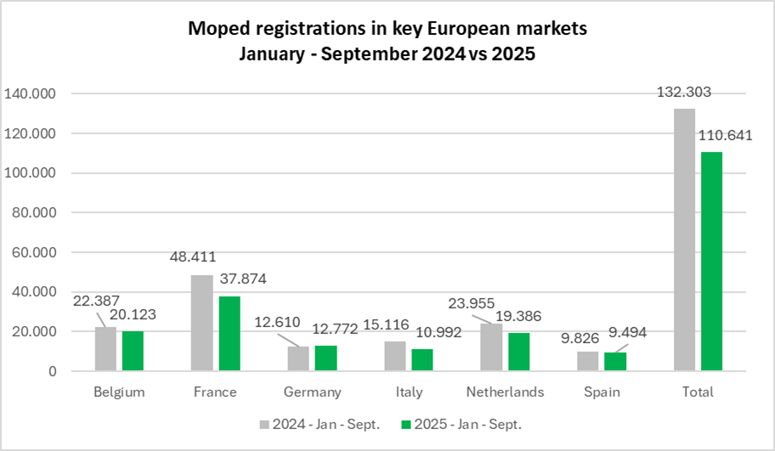
Period | Belgium | %* | France | %* | Germany | %* | Italy | %* | Netherlands | %* | Spain | %* | Total | %*
2024 - January | 2,161 | -5.2% | 3,755 | -23.2% | 328 | -63.2% | 1,059 | -22.0% | 1,868 | -31.6% | 929 | -6.3% | 10,100 | -23.1%
2024 - February | 2,214 | -1.6% | 3,945 | -24.7% | 989 | -34.4% | 1,297 | 10.0% | 2,108 | -19.1% | 836 | -16.8% | 11,389 | -17.4%
2024 - March | 2,405 | -17.1% | 4,414 | -25.0% | 2,241 | -12.1% | 1,563 | 0.4% | 2,812 | -1.8% | 840 | -13.7% | 14,275 | -14.7%
2024 - April | 2,573 | 4.7% | 5,540 | -6.0% | 1,919 | -4.7% | 1,630 | -1.6% | 3,140 | 11.9% | 1,047 | -24.4% | 15,848 | -2.3%
2024 - May | 2,788 | 4.0% | 5,454 | -12.4% | 1,577 | -14.8% | 1,904 | -15.9% | 3,031 | -1.9% | 1,081 | -49.1% | 15,834 | -13.2%
2024 - June | 2,624 | -20.4% | 6,765 | -21.5% | 1,802 | -16.3% | 2,287 | -0.3% | 3,029 | -22.0% | 1,012 | -29.0% | 17,519 | -19.1%
2024 - July | 2,643 | -6.1% | 7,494 | -12.6% | 1,301 | -18.4% | 2,605 | 15.5% | 2,821 | -15.8% | 1,771 | -17.2% | 18,635 | -10.1%
2024 - August | 2,425 | -18.0% | 5,286 | -23.9% | 1,156 | -7.7% | 1,045 | -8.7% | 2,593 | -3.7% | 1,155 | -27.9% | 13,660 | -17.6%
2024 - September | 2,554 | -4.3% | 5,758 | -21.3% | 1,297 | -8.8% | 1,726 | 7.5% | 2,553 | -30.3% | 1,155 | -13.2% | 15,043 | -16.5%
2024 - October | 3,029 | 16.7% | 5,117 | -20.6% | 861 | -10.9% | 1,606 | 4.7% | 2,405 | -9.5% | 1,194 | -23.9% | 14,212 | -9.8%
2024 - November | 2,707 | 28.7% | 4,195 | -12.8% | 676 | -21.0% | 1,313 | 30.5% | 2,060 | -0.6% | 977 | -6.0% | 11,928 | 0.4%
2024 - December | 2,652 | 49.8% | 8,183 | 78.2% | 645 | 13.2% | 3,782 | 328.3% | 3,819 | 136.0% | 1,707 | 75.4% | 20,788 | 99.8%
2024 - Jan - March | 6,780 | -8.7% | 12,114 | -24.4% | 3,558 | -28.1% | 3,919 | -4.3% | 6,788 | -17.2% | 2,605 | -12.3% | 35,764 | -18.1%
2024 - Jan - June | 14,765 | -6.9% | 29,873 | -18.7% | 8,856 | -19.2% | 9,740 | -5.5% | 15,988 | -11.1% | 5,745 | -27.3% | 84,965 | -14.8%
2024 - Jan - Sept. | 22,387 | -7.9% | 48,411 | -18.7% | 12,610 | -17.2% | 15,116 | -1.3% | 23,955 | -13.5% | 9,826 | -24.3% | 132,303 | -14.7%
2024 - All year | 30,775 | 0.0% | 65,906 | -12.6% | 14,792 | -16.1% | 21,817 | 16.4% | 32,239 | -5.3% | 13,704 | -17.2% | 179,231 | -7.2%
2025 - January | 2,079 | -3.8% | 3,091 | -17.7% | 496 | 51.2% | 599 | -43.4% | 3,301 | 76.7% | 951 | 2.4% | 10,517 | 4.1%
2025 - February | 1,989 | -10.2% | 2,974 | -24.6% | 928 | -6.2% | 769 | -40.7% | 1,254 | -40.5% | 823 | -1.6% | 8,737 | -23.3%
2025 - March | 2,089 | -13.1% | 3,088 | -30.0% | 1,750 | -21.9% | 838 | -46.4% | 1,730 | -38.5% | 720 | -14.3% | 10,215 | -28.4%
2025 - April | 2,252 | -12.5% | 4,118 | -25.7% | 1,488 | -22.5% | 1,126 | -30.9% | 1,781 | -43.3% | 911 | -13.0% | 11,676 | -26.3%
2025 - May | 2,286 | -18.0% | 3,728 | -31.6% | 1,820 | 15.4% | 1,498 | -21.3% | 2,792 | -7.9% | 1,063 | -1.7% | 13,187 | -16.7%
2025 - June | 2,609 | -0.6% | 4,608 | -31.9% | 1,851 | 2.7% | 1,787 | -21.9% | 2,342 | -22.7% | 1,285 | 27.0% | 14,482 | -17.3%
2025 - July | 2,417 | -8.6% | 7,197 | -4.0% | 1,408 | 8.2% | 2,192 | -15.9% | 2,201 | -22.0% | 1,615 | -8.8% | 17,030 | -8.6%
2025 - August | 2,097 | -13.5% | 4,257 | -19.5% | 1,583 | 36.9% | 806 | -22.9% | 2,045 | -21.1% | 880 | -23.8% | 11,668 | -14.6%
2025 - September | 2,305 | -9.7% | 4,813 | -16.4% | 1,448 | 11.6% | 1,377 | -20.2% | 1,940 | -24.0% | 1,246 | 7.9% | 13,129 | -12.7%
2025 - Jan - March | 6,157 | -9.2% | 9,153 | -24.4% | 3,174 | -10.8% | 2,206 | -43.7% | 6,285 | -7.4% | 2,494 | -4.3% | 29,469 | -17.6%
2025 - Jan - June | 13,304 | -9.9% | 21,607 | -27.7% | 8,333 | -5.9% | 6,617 | -32.1% | 13,200 | -17.4% | 5,753 | 0.1% | 68,814 | -19.0%
2025 - Jan - Sept. | 20,123 | -10.1% | 37,874 | -21.8% | 12,772 | 1.3% | 10,992 | -27.3% | 19,386 | -19.1% | 9,494 | -3.4% | 110,641 | -16.4%
 | * % change is related to the same period of the previous year
Note 1 - | Moped figures include L1eB vehicles (two-wheel mopeds) as well as L2e vehicles (three-wheel mopeds).
 | For some countries, depending on their administrative practices, they may also include L1e-A vehicles (powered-cycles).
Note 2 - | The moped markets of France, The Netherlands, Germany, Italy, Belgium, and Spain account about 80% of moped new registrations in the EU + UK block.

Motorcycles (Electrics)
MONTHLY NEW REGISTRATIONS OF L-CATEGORY VEHICLES |  |  |  |  |  | - | Data not available
ELECTRIC VEHICLES
Electric Motorcycles - 2024/2025

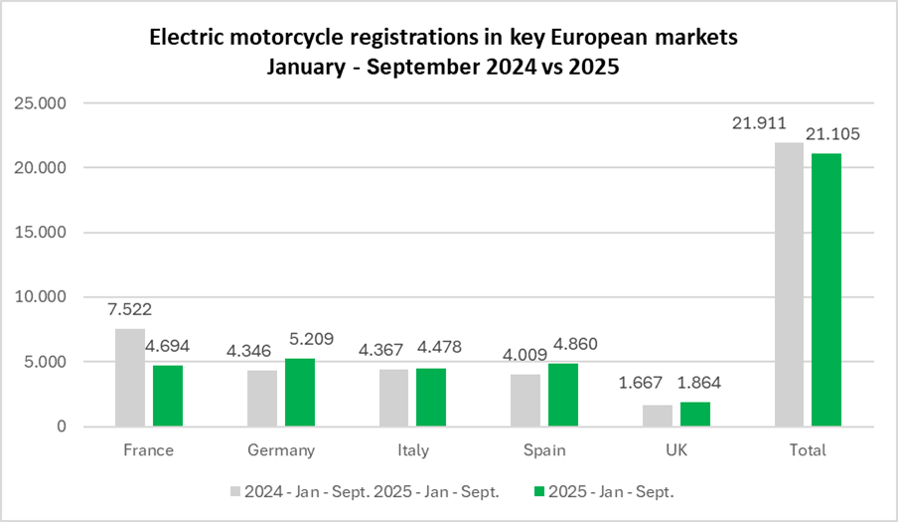
Period | France | %* | Germany | %* | Italy | %* | Spain | %* | UK | %* | Total | %*
2024 - January | 506 | -30.8% | 210 | -57.8% | 185 | -71.5% | 407 | -21.3% | 155 | 32.5% | 1,463 | -41.7%
2024 - February | 704 | 5.7% | 315 | -65.1% | 375 | -39.2% | 334 | -32.0% | 58 | -57.4% | 1,786 | -36.5%
2024 - March | 984 | 27.6% | 474 | -62.7% | 482 | -38.9% | 347 | -37.3% | 190 | 5.6% | 2,477 | -30.5%
2024 - April | 879 | 43.2% | 491 | -34.6% | 447 | -29.2% | 436 | -2.2% | 166 | -14.9% | 2,419 | -8.3%
2024 - May | 788 | -2.0% | 540 | -47.1% | 610 | -44.4% | 558 | -18.3% | 186 | -26.8% | 2,682 | -30.5%
2024 - June | 1,111 | 25.8% | 590 | -45.6% | 788 | -28.6% | 460 | -25.7% | 280 | -9.4% | 3,229 | -19.2%
2024 - July | 942 | 28.2% | 603 | -27.4% | 601 | -38.1% | 613 | 47.4% | 215 | -13.3% | 2,974 | -7.1%
2024 - August | 669 | 26.2% | 722 | -31.8% | 360 | -30.6% | 393 | -10.9% | 205 | 9.6% | 2,349 | -14.1%
2024 - September | 939 | 6.0% | 401 | -29.9% | 519 | -31.7% | 461 | 5.0% | 212 | -11.7% | 2,532 | -12.6%
2024 - October | 928 | 20.8% | 307 | -51.8% | 613 | 8.9% | 500 | -2.0% | 173 | -21.7% | 2,521 | -6.6%
2024 - November | 617 | -11.1% | 324 | 36.7% | 289 | -25.5% | 430 | -10.4% | 179 | 24.3% | 1,839 | -5.4%
2024 - December | 731 | -4.1% | 400 | 103.0% | 242 | -13.6% | 587 | 14.9% | 117 | -25.9% | 2,077 | 8.9%
2024 - Jan - March | 2,194 | 1.2% | 999 | -62.6% | 1,042 | -49.3% | 1,088 | -30.3% | 403 | -6.9% | 5,726 | -35.6%
2024 - Jan - June | 4,972 | 11.3% | 2,620 | -52.6% | 2,887 | -40.9% | 2,542 | -23.2% | 1,035 | -13.1% | 14,056 | -27.5%
2024 - Jan - Sept. | 7,522 | 13.6% | 4,346 | -45.6% | 4,367 | -38.8% | 4,009 | -12.9% | 1,667 | -10.7% | 21,911 | -22.3%
2024 - All year | 9,798 | 10.8% | 5,377 | -40.6% | 5,511 | -34.1% | 5,526 | -9.5% | 2,136 | -10.6% | 28,348 | -18.5%
2025 - January | 600 | 18.6% | 161 | -23.3% | 178 | -3.8% | 472 | 16.0% | 127 | -18.1% | 1,538 | 5.1%
2025 - February | 474 | -32.7% | 194 | -38.4% | 374 | -0.3% | 383 | 14.7% | 83 | 43.1% | 1,508 | -15.6%
2025 - March | 483 | -50.9% | 462 | -2.5% | 341 | -29.3% | 345 | -0.6% | 278 | 46.3% | 1,909 | -22.9%
2025 - April | 597 | -32.1% | 719 | 46.4% | 718 | 60.6% | 757 | 73.6% | 170 | 2.4% | 2,961 | 22.4%
2025 - May | 459 | -41.8% | 624 | 15.6% | 743 | 21.8% | 658 | 17.9% | 330 | 77.4% | 2,814 | 4.9%
2025 - June | 541 | -51.3% | 677 | 14.7% | 620 | -21.3% | 741 | 61.1% | 175 | -37.5% | 2,754 | -14.7%
2025 - July | 548 | -41.8% | 983 | 63.0% | 619 | 3.0% | 684 | 11.6% | 236 | 9.8% | 3,070 | 3.2%
2025 - August | 354 | -47.1% | 770 | 6.6% | 322 | -10.6% | 442 | 12.5% | 201 | -2.0% | 2,089 | -11.1%
2025 - September | 638 | -32.1% | 619 | 54.4% | 563 | 8.5% | 378 | -18.0% | 264 | 24.5% | 2,462 | -2.8%
2025 - Jan - March | 1,557 | -29.0% | 817 | -18.2% | 893 | -14.3% | 1,200 | 10.3% | 488 | 21.1% | 4,955 | -13.5%
2025 - Jan - June | 3,154 | -36.6% | 2,837 | 8.3% | 2,974 | 3.0% | 3,356 | 32.0% | 1,163 | 12.4% | 13,484 | -4.1%
2025 - Jan - Sept. | 4,694 | -37.6% | 5,209 | 19.9% | 4,478 | 2.5% | 4,860 | 21.2% | 1,864 | 11.8% | 21,105 | -3.7%
* % change is related to the same period of the previous year
Note 1 - Motorcycle figures include Two-wheel motorcycles (L3e category) as well as two-wheel motorcycles with sidecar (L4e category) and tricycles (L5e category)
Note 2 - The markets for motorcycles of Italy, France, Germany, Spain and UK account for about 80% of motorcycle new registrations in the EU + UK block.

Mopeds (Electrics)
MONTHLY NEW REGISTRATIONS OF L-CATEGORY VEHICLES |  |  |  |  |  | - | Data not available
ELECTRIC VEHICLES
Electric Mopeds - 2024/2025

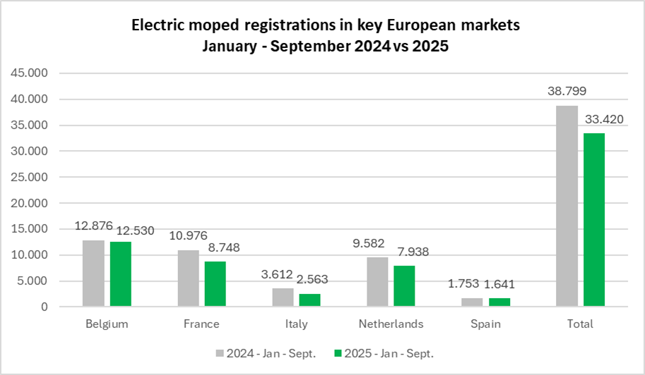
Period | Belgium | %* | France | %* | Germany | %* | Italy | %* | Netherlands | %* | Spain | %* | Total | %*
2024 - January | 1,413 | -4.1% | 890 | -45.3% | - | - | 153 | -65.9% | 638 | -24.1% | 126 | -50.0% | 3,220 | -30.7%
2024 - February | 1,335 | -5.3% | 1,006 | -44.8% | - | - | 292 | -14.6% | 744 | -25.8% | 126 | -63.6% | 3,503 | -28.8%
2024 - March | 1,472 | -21.2% | 978 | -41.7% | - | - | 577 | 70.7% | 1,085 | 4.6% | 200 | -11.1% | 4,312 | -16.2%
2024 - April | 1,496 | -6.5% | 1,247 | -11.4% | - | - | 424 | -4.7% | 1,551 | 35.7% | 308 | -54.9% | 5,026 | -4.8%
2024 - May | 1,593 | -1.3% | 1,167 | -15.5% | - | - | 368 | -50.2% | 1,288 | 1.4% | 184 | -85.4% | 4,600 | -26.6%
2024 - June | 1,506 | -24.4% | 1,801 | -11.7% | - | - | 570 | 5.2% | 1,361 | -13.4% | 125 | -65.1% | 5,363 | -17.5%
2024 - July | 1,480 | -13.2% | 1,564 | 9.1% | - | - | 670 | 60.7% | 1,109 | -25.0% | 225 | -75.5% | 5,048 | -15.2%
2024 - August | 1,225 | -32.2% | 1,019 | -21.6% | - | - | 215 | 27.2% | 877 | -20.8% | 300 | -55.1% | 3,636 | -28.0%
2024 - September | 1,356 | -9.9% | 1,304 | -22.4% | - | - | 343 | 40.0% | 929 | -51.5% | 159 | -55.0% | 4,091 | -28.2%
2024 - October | 1,276 | -15.4% | 1,091 | -28.8% | - | - | 338 | 55.8% | 1,034 | -10.6% | 167 | -65.6% | 3,906 | -20.3%
2024 - November | 1,055 | -15.7% | 1,089 | -7.1% | - | - | 383 | 140.9% | 737 | -6.9% | 128 | -36.3% | 3,392 | -5.1%
2024 - December | 1,024 | -10.6% | 1,439 | 42.2% | - | - | 253 | 76.9% | 528 | -1.3% | 579 | 137.3% | 3,823 | 24.2%
2024 - Jan - March | 4,220 | -11.2% | 2,874 | -43.9% | - | - | 1,022 | -9.5% | 2,467 | -14.4% | 452 | -45.1% | 11,035 | -25.0%
2024 - Jan -June | 8,815 | -11.5% | 7,089 | -28.8% | - | - | 2,384 | -16.5% | 6,667 | -2.9% | 1,069 | -65.8% | 26,024 | -20.6%
2024 - Jan -Sept. | 12,876 | -14.0% | 10,976 | -23.6% | - | - | 3,612 | -2.0% | 9,582 | -15.7% | 1,753 | -65.4% | 38,799 | -21.6%
2024 - All year | 16,231 | -14.0% | 14,595 | -19.3% |  |  | 4,586 | 9.1% | 11,881 | -14.2% | 2,627 | -56.2% | 49,920 | -18.2%
2025 - January | 1,405 | -0.6% | 1,072 | 20.4% | - | - | 115 | -24.8% | 627 | -1.7% | 221 | 75.4% | 3,440 | 6.8%
2025 - February | 1,369 | 2.5% | 969 | -3.7% | - | - | 228 | -21.9% | 589 | -20.8% | 190 | 50.8% | 3,345 | -4.5%
2025 - March | 1,407 | -4.4% | 669 | -31.6% | - | - | 280 | -51.5% | 908 | -16.3% | 138 | -31.0% | 3,402 | -21.1%
2025 - April | 1,454 | -2.8% | 924 | -25.9% | - | - | 300 | -29.2% | 860 | -44.6% | 211 | -31.5% | 3,749 | -25.4%
2025 - May | 1,422 | -10.7% | 674 | -42.2% | - | - | 369 | 0.3% | 1,479 | 14.8% | 158 | -14.1% | 4,102 | -10.8%
2025 - June | 1,530 | 1.6% | 840 | -53.4% | - | - | 314 | -44.9% | 1,089 | -20.0% | 197 | 57.6% | 3,970 | -26.0%
2025 - July | 1,423 | -3.9% | 2,093 | 33.8% | - | - | 517 | -22.8% | 922 | -16.9% | 257 | 14.2% | 5,212 | 3.2%
2025 - August | 1,170 | -4.5% | 698 | -31.5% | - | - | 148 | -31.2% | 745 | -15.1% | 94 | -68.7% | 2,855 | -21.5%
2025 - September | 1,350 | -0.4% | 809 | -38.0% |  |  | 292 | -14.9% | 719 | -22.6% | 175 | 10.1% | 3,345 | -18.2%
2025 - Jan - March | 4,181 | -0.9% | 2,710 | -5.7% | - | - | 623 | -39.0% | 2,124 | -13.9% | 549 | 21.5% | 10,187 | -7.7%
2025 - Jan - June | 8,587 | -2.6% | 5,148 | -27.4% | - | - | 1,606 | -32.6% | 5,552 | -16.7% | 1,115 | 4.3% | 22,008 | -15.4%
2025 - Jan - Sept. | 12,530 | -2.7% | 8,748 | -20.3% | - | - | 2,563 | -29.0% | 7,938 | -17.2% | 1,641 | -6.4% | 33,420 | -13.9%
 | * % change is related to the same period of the previous year
Note 1 - | Moped figures include L1eB vehicles (two-wheel mopeds) as well as L2e vehicles (three-wheel mopeds).
 | For some countries, depending on their administrative practices, they may also include L1e-A vehicles (powered-cycles).
Note 2 - | The moped markets of France, The Netherlands, Germany, Italy, Belgium, and Spain account about 80% of moped new registrations in the EU + UK block.

Long terms tends
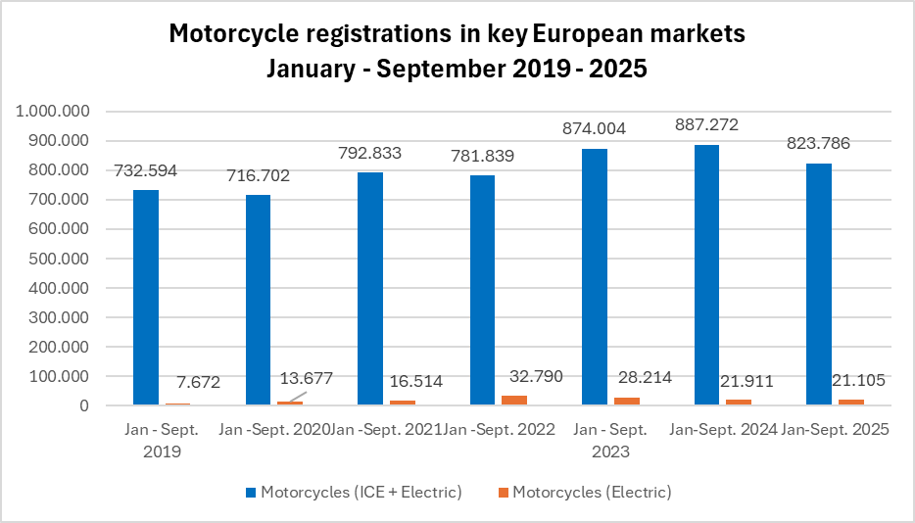
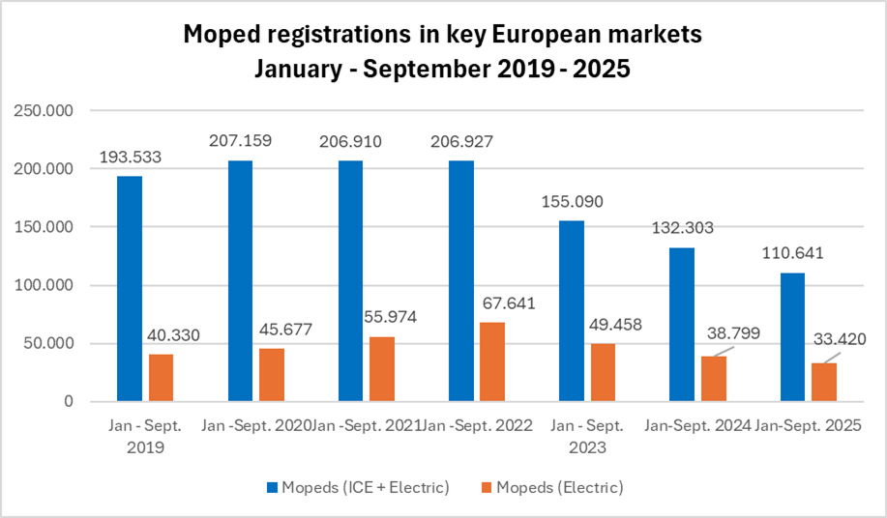
REGISTRATIONS OF MOTORCYCLES AND MOPEDS IN LARGEST EUROPEAN MARKETS
INTERNAL COMBUSTION ENGINE + ELECTRIC MODELS

L-category vehicles | Jan - Sept. 2019 | Jan -Sept. 2020 | Jan -Sept. 2021 | Jan -Sept. 2022 | Jan - Sept. 2023 | Jan-Sept. 2024 | Jan-Sept. 2025
Motorcycles (ICE + Electric) | 732,594 | 716,702 | 792,833 | 781,839 | 874,004 | 887,272 | 823,786
Motorcycles (Electric) | 7,672 | 13,677 | 16,514 | 32,790 | 28,214 | 21,911 | 21,105
Mopeds (ICE + Electric) | 193,533 | 207,159 | 206,910 | 206,927 | 155,090 | 132,303 | 110,641
Mopeds (Electric) | 40,330 | 45,677 | 55,974 | 67,641 | 49,458 | 38,799 | 33,420

Motorcycle figures include the following markets: France, Germany, Italy, Spain and the UK
Mopeds figures include the following markets: Belgium, France, Germany, Italy, the Netherlands and the UK

