Motorcycles - (ICE & Electrics)
MONTHLY NEW REGISTRATIONS OF L-CATEGORY VEHICLES |  |  |  |  |  | - | Data not available
INTERNAL COMBUSTION ENGINE + ELECTRIC VEHICLES
Motorcycles - 2024/2025

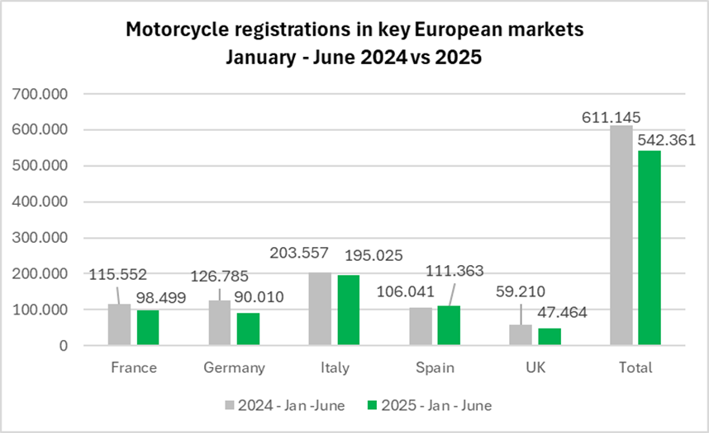
Period | France | %* | Germany | %* | Italy | %* | Spain | %* | UK | %* | Total | %*
2024 - January | 11,192 | -6.1% | 6,897 | -8.3% | 20,037 | -1.1% | 13,789 | 3.7% | 5,690 | 5.0% | 57,605 | -1.4%
2024 - February | 15,760 | 5.4% | 17,420 | 9.6% | 27,122 | 19.7% | 14,848 | 18.7% | 4,827 | 7.1% | 79,977 | 13.4%
2024 - March | 21,730 | -1.6% | 29,161 | -7.6% | 34,094 | -5.5% | 16,439 | -10.3% | 16,290 | -3.6% | 117,714 | -5.8%
2024 - April | 21,445 | 8.5% | 27,142 | 15.9% | 39,148 | 22.1% | 19,460 | 25.3% | 9,415 | -0.2% | 116,610 | 16.4%
2024 - May | 21,689 | -1.6% | 23,923 | -1.4% | 43,739 | 7.3% | 20,499 | -4.7% | 10,743 | 2.9% | 120,593 | 1.3%
2024 - June | 23,736 | -6.8% | 22,242 | -11.6% | 39,417 | -3.1% | 21,006 | -2.1% | 12,245 | -6.1% | 118,646 | -7.1%
2024 - July | 20,798 | 7.6% | 22,609 | -4.9% | 39,138 | 7.9% | 22,906 | 16.4% | 8,812 | -7.4% | 114,263 | 5.6%
2024 - August | 12,894 | -9.0% | 19,814 | -4.3% | 16,793 | -2.5% | 15,458 | 5.0% | 7,202 | -6.8% | 72,161 | -3.2%
2024 - September | 16,229 | -11.8% | 16,175 | -3.2% | 25,960 | 1.6% | 20,275 | 19.3% | 10,994 | -14.3% | 89,633 | -0.9%
2024 - October | 15,070 | -1.6% | 13,920 | 10.3% | 23,631 | -0.8% | 20,248 | 7.9% | 7,447 | 0.0% | 80,316 | 3.0%
2024 - November | 12,762 | 2.9% | 18,025 | 169.7% | 16,982 | 7.3% | 16,880 | 6.1% | 6,587 | 11.4% | 71,236 | 25.6%
2024 - December | 21,078 | 93.6% | 31,290 | 681.7% | 26,555 | 195.8% | 22,132 | 78.2% | 10,764 | 119.9% | 111,819 | 171.6%
2024 - Jan - March | 48,682 | -0.5% | 53,478 | -2.7% | 81,253 | 2.8% | 45,076 | 2.2% | 26,807 | 0.0% | 255,296 | 0.6%
2024 - Jan - June | 115,552 | -0.6% | 126,785 | -2.2% | 203,557 | 5.7% | 106,041 | 3.3% | 59,210 | -0.9% | 611,145 | 1.7%
2024 - Jan -Sept. | 165,473 | -1.6% | 185,383 | -2.7% | 285,448 | 5.1% | 164,680 | 6.9% | 86,218 | -4.0% | 887,202 | 1.5%
2024 - All year | 214,383 | 3.7% | 248,618 | 16.3% | 352,616 | 10.1% | 223,940 | 11.3% | 111,016 | 2.7% | 1,150,573 | 9.6%
2025 - January | 9,428 | -15.8% | 3,238 | -53.1% | 17,530 | -12.5% | 13,771 | -0.1% | 3,964 | -30.3% | 47,931 | -16.8%
2025 - February | 11,215 | -28.8% | 8,786 | -49.6% | 21,756 | -19.8% | 14,129 | -4.8% | 3,229 | -33.1% | 59,115 | -26.1%
2025 - March | 17,529 | -19.3% | 19,509 | -33.1% | 32,494 | -4.7% | 17,869 | 8.7% | 12,705 | -22.0% | 100,106 | -15.0%
2025 - April | 19,731 | -8.0% | 21,423 | -21.1% | 37,545 | -4.1% | 16,919 | -13.1% | 8,153 | -13.4% | 103,771 | -11.0%
2025 - May | 19,058 | -12.1% | 19,183 | -19.8% | 43,250 | -1.1% | 23,493 | 14.6% | 9,448 | -12.1% | 114,432 | -5.1%
2025 - June | 21,538 | -9.3% | 17,871 | -13.8% | 42,450 | 7.7% | 25,182 | 19.9% | 9,965 | -18.6% | 117,006 | -1.4%
2025 - Jan - March | 38,172 | -21.6% | 31,533 | -41.0% | 71,780 | -11.7% | 45,769 | 1.5% | 19,898 | -25.8% | 207,152 | -18.9%
2025 - Jan - June | 98,499 | -14.8% | 90,010 | -29.0% | 195,025 | -4.2% | 111,363 | 5.0% | 47,464 | -19.8% | 542,361 | -11.3%
* % change is related to the same period of the previous year
Note 1 - Motorcycle figures include Two-wheel motorcycles (L3e category) as well as two-wheel motorcycles with sidecar (L4e category) and tricycles (L5e category)
Note 2 - The markets for motorcycles of Italy, France, Germany, Spain and UK account for about 80% of motorcycle new registrations in the EU + UK block.

Mopeds - (ICE & Electrics)
MONTHLY NEW REGISTRATIONS OF L-CATEGORY VEHICLES |  |  |  |  |  | - | Data not available
INTERNAL COMBUSTION ENGINE + ELECTRIC VEHICLES
Mopeds - 2024/2025

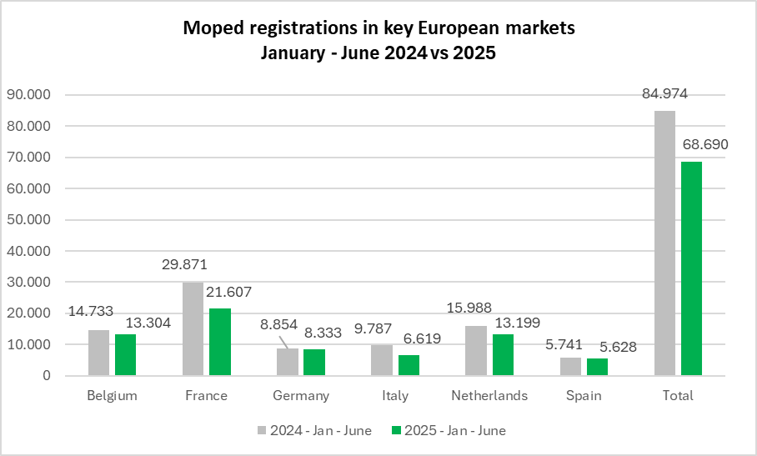
Period | Belgium | %* | France | %* | Germany | %* | Italy | %* | Netherlands | %* | Spain | %* | Total | %*
2024 - January | 2,155 | -5.4% | 3,753 | -23.3% | 328 | -63.2% | 1,073 | -21.0% | 1,868 | -31.6% | 929 | -6.3% | 10,106 | -23.1%
2024 - February | 2,205 | -2.0% | 3,945 | -24.7% | 989 | -34.4% | 1,307 | 10.9% | 2,108 | -19.1% | 832 | -17.2% | 11,386 | -17.4%
2024 - March | 2,403 | -17.1% | 4,414 | -25.0% | 2,241 | -12.1% | 1,573 | 1.0% | 2,812 | -1.8% | 840 | -13.7% | 14,283 | -14.6%
2024 - April | 2,567 | 4.4% | 5,540 | -6.0% | 1,918 | -4.7% | 1,619 | -2.3% | 3,140 | 11.9% | 1,047 | -24.4% | 15,831 | -2.4%
2024 - May | 2,783 | 3.8% | 5,454 | -12.4% | 1,576 | -14.9% | 1,927 | -14.8% | 3,031 | -1.9% | 1,081 | -49.1% | 15,852 | -13.1%
2024 - June | 2,620 | -20.5% | 6,765 | -21.5% | 1,802 | -16.3% | 2,288 | -0.3% | 3,029 | -22.0% | 1,012 | -29.0% | 17,516 | -19.2%
2024 - July | 2,639 | -6.3% | 7,494 | -12.6% | 1,301 | -18.4% | 2,630 | 16.6% | 2,821 | -15.8% | 1,771 | -17.2% | 18,656 | -10.0%
2024 - August | 2,420 | -18.1% | 5,286 | -23.9% | 1,156 | -7.7% | 1,074 | -6.1% | 2,593 | -3.7% | 1,154 | -27.9% | 13,683 | -17.5%
2024 - September | 2,550 | -4.5% | 5,758 | -21.3% | 1,297 | -8.8% | 1,738 | 8.3% | 2,553 | -30.3% | 1,155 | -13.2% | 15,051 | -16.4%
2024 - October | 3,023 | 16.5% | 5,117 | -20.6% | 861 | -10.9% | 1,607 | 4.8% | 2,405 | -9.5% | 1,194 | -23.9% | 14,207 | -9.9%
2024 - November | 2,706 | 28.7% | 4,195 | -12.8% | 676 | -21.0% | 1,320 | 31.2% | 2,060 | -0.6% | 977 | -6.0% | 11,934 | 0.4%
2024 - December | 2,645 | 49.4% | 8,182 | 78.2% | 645 | 13.2% | 3,776 | 327.6% | 3,819 | 136.0% | 1,707 | 75.4% | 20,774 | 99.6%
2024 - Jan - March | 6,763 | -9.0% | 12,112 | -24.4% | 3,558 | -28.1% | 3,953 | -3.4% | 6,788 | -17.2% | 2,601 | -12.4% | 35,775 | -18.1%
2024 - Jan - June | 14,733 | -7.1% | 29,871 | -18.7% | 8,854 | -19.3% | 9,787 | -5.1% | 15,988 | -11.1% | 5,741 | -27.4% | 84,974 | -14.8%
2024 - Jan - Sept. | 22,342 | -8.1% | 48,409 | -18.8% | 12,608 | -17.2% | 15,229 | -0.6% | 23,955 | -13.5% | 9,821 | -24.3% | 132,364 | -14.7%
2024 - All year | 30,716 | -0.2% | 65,903 | -12.6% | 14,790 | -16.1% | 21,932 | 17.1% | 32,239 | -5.3% | 13,699 | -17.3% | 179,279 | -7.2%
2025 - January | 2,079 | -3.5% | 3,091 | -17.6% | 496 | 51.2% | 599 | -44.2% | 3,300 | 76.7% | 951 | 2.4% | 10,516 | 4.1%
2025 - February | 1,989 | -9.8% | 2,974 | -24.6% | 928 | -6.2% | 769 | -41.2% | 1,253 | -40.6% | 823 | -1.1% | 8,736 | -23.3%
2025 - March | 2,089 | -13.1% | 3,088 | -30.0% | 1,750 | -21.9% | 838 | -46.7% | 1,730 | -38.5% | 720 | -14.3% | 10,215 | -28.5%
2025 - April | 2,252 | -12.3% | 4,118 | -25.7% | 1,488 | -22.4% | 1,127 | -30.4% | 1,780 | -43.3% | 787 | -24.8% | 11,552 | -27.0%
2025 - May | 2,286 | -17.9% | 3,728 | -31.6% | 1,820 | 15.5% | 1,498 | -22.3% | 2,791 | -7.9% | 1,062 | -1.8% | 13,185 | -16.8%
2025 - June | 2,609 | -0.4% | 4,608 | -31.9% | 1,851 | 2.7% | 1,788 | -21.9% | 2,345 | -22.6% | 1,285 | 27.0% | 14,486 | -17.3%
2025 - Jan - March | 6,157 | -9.0% | 9,153 | -24.4% | 3,174 | -10.8% | 2,206 | -44.2% | 6,283 | -7.4% | 2,494 | -4.1% | 29,467 | -17.6%
2025 - Jan - June | 13,304 | -9.7% | 21,607 | -27.7% | 8,333 | -5.9% | 6,619 | -32.4% | 13,199 | -17.4% | 5,628 | -2.0% | 68,690 | -19.2%
 | * % change is related to the same period of the previous year
Note 1 - | Moped figures include L1eB vehicles (two-wheel mopeds) as well as L2e vehicles (three-wheel mopeds).
 | For some countries, depending on their administrative practices, they may also include L1e-A vehicles (powered-cycles).
Note 2 - | The moped markets of France, The Netherlands, Germany, Italy, Belgium, and Spain account about 80% of moped new registrations in the EU + UK block.

Motorcycles (Electrics)
MONTHLY NEW REGISTRATIONS OF L-CATEGORY VEHICLES |  |  |  |  |  | - | Data not available
ELECTRIC VEHICLES
Electric Motorcycles - 2024/2025

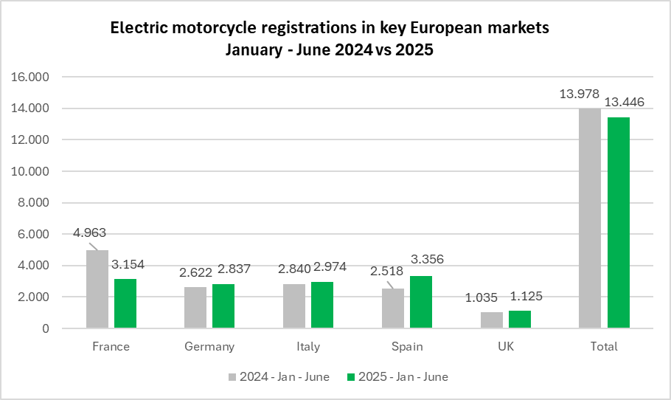
Period | France | %* | Germany | %* | Italy | %* | Spain | %* | UK | %* | Total | %*
2024 - January | 502 | -31.3% | 211 | -57.6% | 171 | -73.6% | 407 | -21.3% | 155 | 32.5% | 1,446 | -42.4%
2024 - February | 704 | 5.7% | 315 | -65.1% | 365 | -40.8% | 328 | -33.2% | 58 | -57.4% | 1,770 | -37.1%
2024 - March | 982 | 27.4% | 474 | -62.7% | 472 | -40.2% | 344 | -37.8% | 190 | 5.6% | 2,462 | -30.9%
2024 - April | 877 | 42.8% | 491 | -34.6% | 458 | -27.4% | 430 | -3.6% | 166 | -14.9% | 2,422 | -8.2%
2024 - May | 788 | -2.0% | 540 | -47.1% | 587 | -46.5% | 556 | -18.6% | 186 | -26.8% | 2,657 | -31.1%
2024 - June | 1,110 | 25.7% | 591 | -45.5% | 787 | -28.6% | 453 | -26.8% | 280 | -9.4% | 3,221 | -19.4%
2024 - July | 942 | 28.2% | 602 | -27.6% | 576 | -40.7% | 609 | 46.4% | 215 | -13.3% | 2,944 | -8.0%
2024 - August | 669 | 26.2% | 722 | -31.8% | 331 | -36.2% | 384 | -12.9% | 205 | 9.6% | 2,311 | -15.5%
2024 - September | 939 | 6.0% | 401 | -29.9% | 507 | -33.3% | 449 | 2.3% | 212 | -11.7% | 2,508 | -13.4%
2024 - October | 928 | 20.8% | 306 | -52.0% | 611 | 8.5% | 492 | -3.5% | 173 | -21.7% | 2,510 | -7.0%
2024 - November | 617 | -11.1% | 324 | 36.7% | 284 | -26.8% | 427 | -11.0% | 179 | 24.3% | 1,831 | -5.8%
2024 - December | 731 | -4.1% | 398 | 102.0% | 249 | -11.1% | 587 | 14.9% | 117 | -25.9% | 2,082 | 9.1%
2024 - Jan - March | 2,188 | 0.9% | 1,000 | -62.6% | 1,008 | -50.9% | 1,079 | -30.9% | 403 | -6.9% | 5,678 | -36.1%
2024 - Jan - June | 4,963 | 11.1% | 2,622 | -52.6% | 2,840 | -41.9% | 2,518 | -23.9% | 1,035 | -13.1% | 13,978 | -27.9%
2024 - Jan - Sept. | 7,513 | 13.5% | 4,347 | -45.6% | 4,254 | -40.4% | 3,960 | -14.0% | 1,667 | -10.7% | 21,741 | -22.9%
2024 - All year | 9,789 | 10.7% | 5,375 | -40.7% | 5,398 | -35.5% | 5,466 | -10.5% | 2,136 | -10.6% | 28,164 | -19.0%
2025 - January | 600 | 19.5% | 161 | -23.7% | 178 | 4.1% | 472 | 16.0% | 121 | -21.9% | 1,532 | 5.9%
2025 - February | 474 | -32.7% | 194 | -38.4% | 374 | 2.5% | 383 | 16.8% | 80 | 37.9% | 1,505 | -15.0%
2025 - March | 483 | -50.8% | 462 | -2.5% | 341 | -27.8% | 345 | 0.3% | 272 | 43.2% | 1,903 | -22.7%
2025 - April | 597 | -31.9% | 719 | 46.4% | 718 | 56.8% | 757 | 76.0% | 164 | -1.2% | 2,955 | 22.0%
2025 - May | 459 | -41.8% | 624 | 15.6% | 743 | 26.6% | 658 | 18.3% | 324 | 74.2% | 2,808 | 5.7%
2025 - June | 541 | -51.3% | 677 | 14.6% | 620 | -21.2% | 741 | 63.6% | 164 | -41.4% | 2,743 | -14.8%
2025 - Jan - March | 1,557 | -28.8% | 817 | -18.3% | 893 | -11.4% | 1,200 | 11.2% | 473 | 17.4% | 4,940 | -13.0%
2025 - Jan - June | 3,154 | -36.4% | 2,837 | 8.2% | 2,974 | 4.7% | 3,356 | 33.3% | 1,125 | 8.7% | 13,446 | -3.8%
* % change is related to the same period of the previous year
Note 1 - Motorcycle figures include Two-wheel motorcycles (L3e category) as well as two-wheel motorcycles with sidecar (L4e category) and tricycles (L5e category)
Note 2 - The markets for motorcycles of Italy, France, Germany, Spain and UK account for about 80% of motorcycle new registrations in the EU + UK block.

Mopeds (Electrics)
MONTHLY NEW REGISTRATIONS OF L-CATEGORY VEHICLES |  |  |  |  |  | - | Data not available
ELECTRIC VEHICLES
Electric Mopeds - 2024/2025

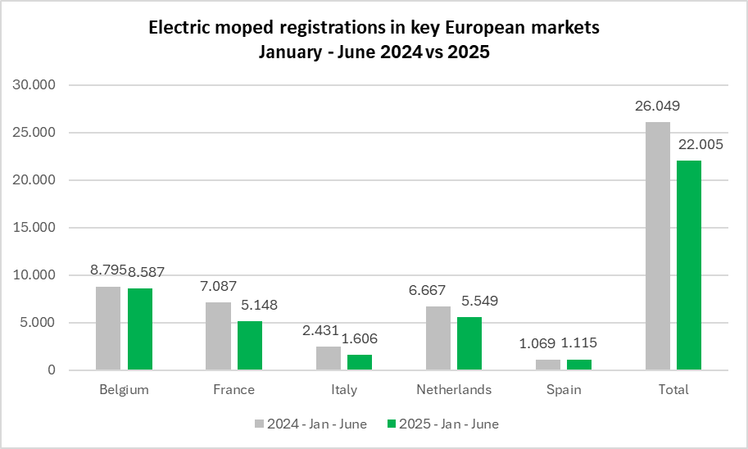
Period | Belgium | %* | France | %* | Germany | %* | Italy | %* | Netherlands | %* | Spain | %* | Total | %*
2024 - January | 1,409 | -4.4% | 888 | -45.5% | - | - | 167 | -62.8% | 638 | -24.1% | 126 | -50.0% | 3,228 | -30.5%
2024 - February | 1,330 | -5.7% | 1,006 | -44.8% | - | - | 302 | -11.7% | 744 | -25.8% | 126 | -63.6% | 3,508 | -28.7%
2024 - March | 1,470 | -21.3% | 978 | -41.7% | - | - | 587 | 73.7% | 1,085 | 4.6% | 200 | -11.1% | 4,320 | -16.0%
2024 - April | 1,492 | -6.8% | 1,247 | -11.4% | - | - | 413 | -7.2% | 1,551 | 35.7% | 308 | -54.9% | 5,011 | -5.1%
2024 - May | 1,591 | -1.4% | 1,167 | -15.5% | - | - | 391 | -47.1% | 1,288 | 1.4% | 184 | -85.4% | 4,621 | -26.2%
2024 - June | 1,503 | -24.6% | 1,801 | -11.7% | - | - | 571 | 5.4% | 1,361 | -13.4% | 125 | -65.1% | 5,361 | -17.6%
2024 - July | 1,477 | -13.4% | 1,564 | 9.1% | - | - | 695 | 66.7% | 1,109 | -25.0% | 225 | -75.5% | 5,070 | -14.8%
2024 - August | 1,224 | -32.3% | 1,019 | -21.6% | - | - | 244 | 44.4% | 877 | -20.8% | 300 | -55.1% | 3,664 | -27.5%
2024 - September | 1,353 | -10.1% | 1,304 | -22.4% | - | - | 355 | 44.9% | 929 | -51.5% | 159 | -55.0% | 4,100 | -28.1%
2024 - October | 1,274 | -15.5% | 1,091 | -28.8% | - | - | 339 | 56.2% | 1,034 | -10.6% | 167 | -65.6% | 3,905 | -20.3%
2024 - November | 1,055 | -15.7% | 1,089 | -7.1% | - | - | 390 | 145.3% | 737 | -6.9% | 128 | -36.3% | 3,399 | -4.9%
2024 - December | 1,017 | -11.2% | 1,438 | 42.1% | - | - | 247 | 72.7% | 528 | -1.3% | 579 | 137.3% | 3,809 | 23.7%
2024 - Jan - March | 4,209 | -11.4% | 2,872 | -44.0% | - | - | 1,056 | -6.5% | 2,467 | -14.4% | 452 | -45.1% | 11,056 | -24.8%
2024 - Jan -June | 8,795 | -11.7% | 7,087 | -28.8% | - | - | 2,431 | -14.9% | 6,667 | -2.9% | 1,069 | -65.8% | 26,049 | -20.5%
2024 - Jan -Sept. | 12,849 | -14.2% | 10,974 | -23.6% | - | - | 3,725 | 1.1% | 9,582 | -15.7% | 1,753 | -65.4% | 38,883 | -21.4%
2024 - All year | 16,195 | -14.2% | 14,592 | -19.3% | - | - | 4,701 | 11.8% | 11,881 | -14.2% | 2,627 | -56.2% | 49,996 | -18.1%
2025 - January | 1,405 | -0.3% | 1,072 | 20.7% | - | - | 115 | -31.1% | 626 | -1.9% | 221 | 75.4% | 3,439 | 6.5%
2025 - February | 1,369 | 2.9% | 969 | -3.7% | - | - | 228 | -24.5% | 588 | -21.0% | 190 | 50.8% | 3,344 | -4.7%
2025 - March | 1,407 | -4.3% | 669 | -31.6% | - | - | 280 | -52.3% | 908 | -16.3% | 138 | -31.0% | 3,402 | -21.3%
2025 - April | 1,454 | -2.5% | 924 | -25.9% |  |  | 300 | -27.4% | 859 | -44.6% | 211 | -31.5% | 3,748 | -25.2%
2025 - May | 1,422 | -10.6% | 674 | -42.2% |  |  | 369 | -5.6% | 1,479 | 14.8% | 158 | -14.1% | 4,102 | -11.2%
2025 - June | 1,530 | 1.8% | 840 | -53.4% |  |  | 314 | -45.0% | 1,089 | -20.0% | 197 | 57.6% | 3,970 | -25.9%
2025 - Jan - March | 4,181 | -0.7% | 2,710 | -5.6% | - | - | 623 | -41.0% | 2,122 | -14.0% | 549 | 21.5% | 10,185 | -7.9%
2025 - Jan - June | 8,587 | -2.4% | 5,148 | -27.4% |  |  | 1,606 | -33.9% | 5,549 | -16.8% | 1,115 | 4.3% | 22,005 | -15.5%
 | * % change is related to the same period of the previous year
Note 1 - | Moped figures include L1eB vehicles (two-wheel mopeds) as well as L2e vehicles (three-wheel mopeds).
 | For some countries, depending on their administrative practices, they may also include L1e-A vehicles (powered-cycles).
Note 2 - | The moped markets of France, The Netherlands, Germany, Italy, Belgium, and Spain account about 80% of moped new registrations in the EU + UK block.

Long terms tends
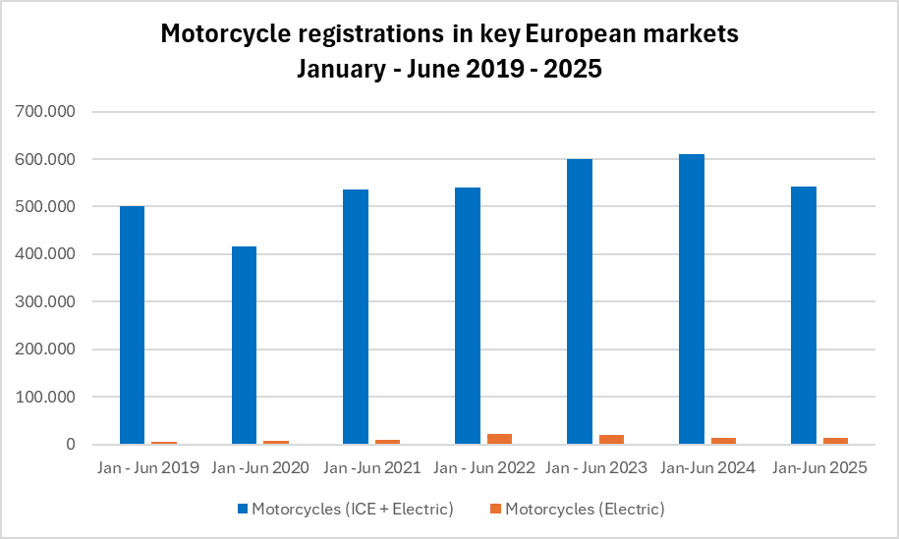
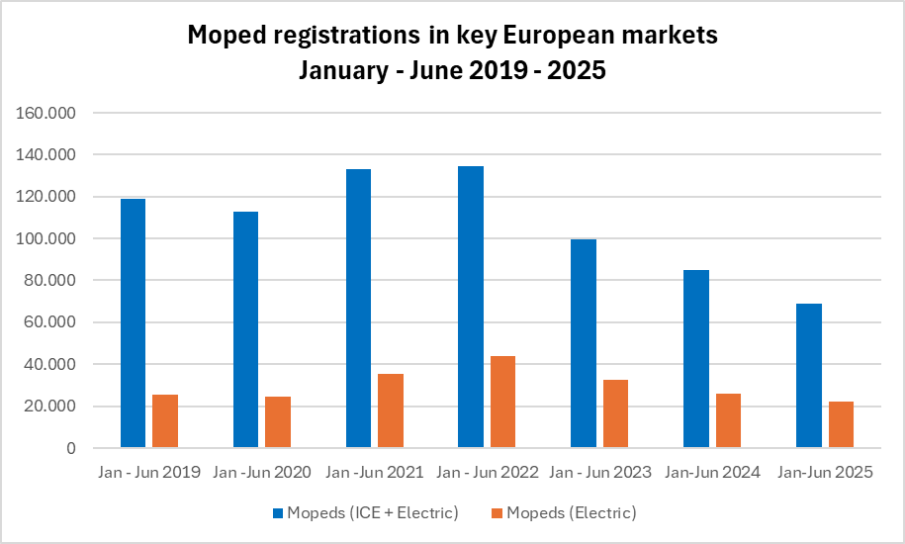
REGISTRATIONS OF MOTORCYCLES AND MOPEDS IN LARGEST EUROPEAN MARKETS
INTERNAL COMBUSTION ENGINE + ELECTRIC MODELS

L-category vehicles | Jan - Jun 2019 | Jan -Jun 2020 | Jan -Jun 2021 | Jan - Jun 2022 | Jan - Jun 2023 | Jan-Jun 2024 | Jan-Jun 2025
Motorcycles (ICE + Electric) | 500,252 | 415,501 | 535,464 | 539,644 | 600,810 | 611,145 | 542,361
Motorcycles (Electric) | 4,698 | 7,230 | 10,113 | 21,078 | 19,381 | 13,978 | 13,446
Mopeds (ICE + Electric) | 118,958 | 112,713 | 133,136 | 134,503 | 99,772 | 84,974 | 68,690
Mopeds (Electric) | 25,294 | 24,754 | 35,395 | 44,027 | 32,757 | 26,049 | 22,005

Motorcycle figures include the following markets: France, Germany, Italy, Spain and the UK
Mopeds figures include the following markets: Belgium, France, Germany, Italy, the Netherlands and the UK

